Project Tasks
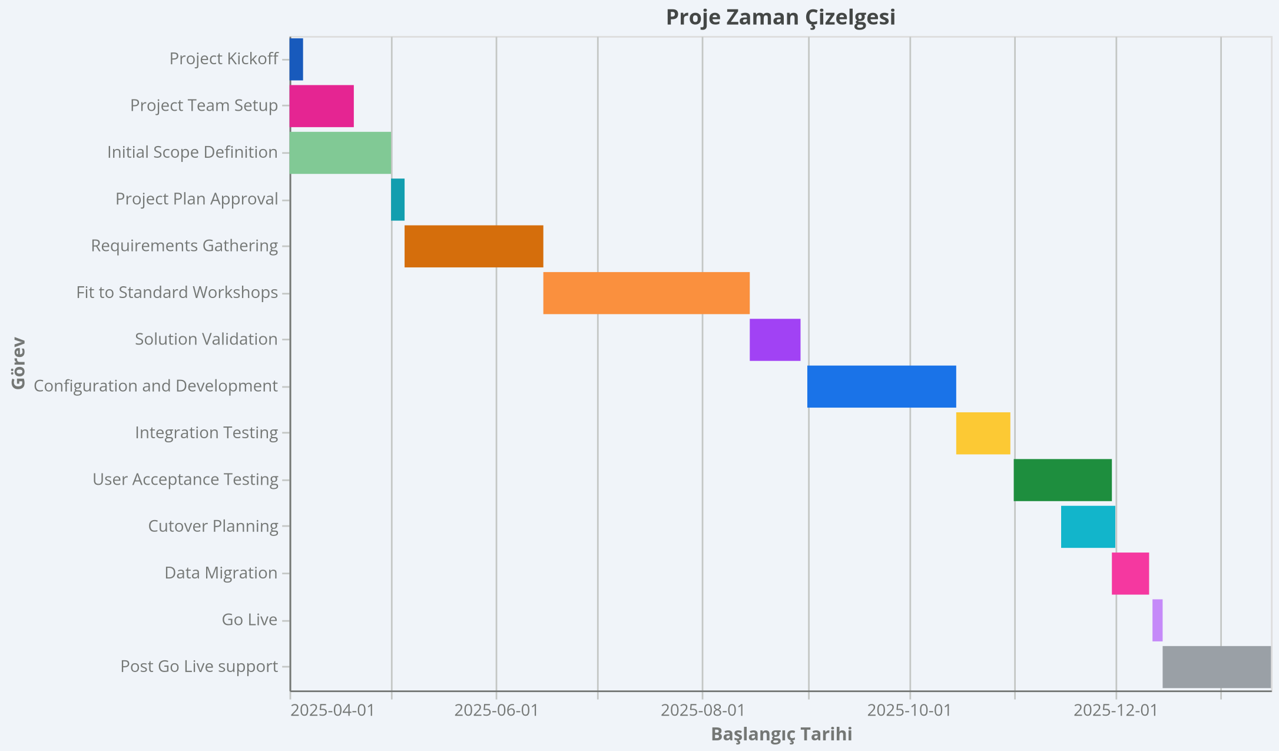
Phase | Task | Start Date | End Date | Dependencies | Milestone | Assign To
Prepare | Project Kickoff | 2025-04-01 | 2025-04-05 |  | FALSE | Project Manager
Prepare | Project Team Setup | 2025-04-01 | 2025-04-20 | Project Kickoff | FALSE | Project Manager
Prepare | Initial Scope Definition | 2025-04-01 | 2025-05-01 |  | FALSE | Project Manager
Prepare | Project Plan Approval | 2025-05-01 | 2025-05-05 | Initial Scope Definition | TRUE | Project Manager
Explore | Requirements Gathering | 2025-05-05 | 2025-06-15 | Initial Scope Definition | FALSE | Business Analyst
Explore | Fit to Standard Workshops | 2025-06-15 | 2025-08-15 | Requirements Gathering | FALSE | Business Analyst
Explore | Solution Validation | 2025-08-15 | 2025-08-30 | Fit to Standard Workshops | TRUE | Program Manager
Realize | Configuration and Development | 2025-09-01 | 2025-10-15 | Solution Validation | FALSE | SAP Technical Team
Realize | Integration Testing | 2025-10-15 | 2025-10-31 | Configuration and Development | FALSE | SAP Technical Team
Realize | User Acceptance Testing | 2025-11-01 | 2025-11-30 | Configuration and Development | FALSE | Business Analyst
Deploy | Cutover Planning | 2025-11-15 | 2025-12-01 |  | FALSE | Project Manager
Deploy | Data Migration | 2025-11-30 | 2025-12-11 | User Acceptance Testing | FALSE | SAP Technical Team
Deploy | Go Live | 2025-12-12 | 2025-12-15 | Data Migration | TRUE | SAP Technical Team
Run | Post Go Live support | 2025-12-15 | 2026-01-16 | Go Live | FALSE | Business Analyst

